Table 1

Selected Acquisition Report (SAR)
RCS: DD-A&T(Q&A)823-199

Family of Advanced Beyond Line-of-Sight Terminals (FAB-T)
As of FY 2017 President's Budget
Defense Acquisition Management Information Retrieval
(DAMIR)

Table 10
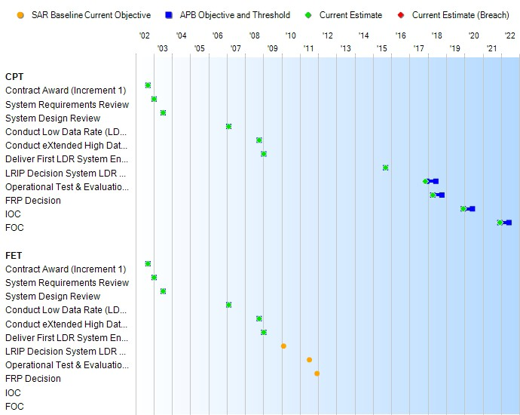
Schedule

Table 62
CPT
Unit Cost History
Item |  |  |  |  | Date |  |  | BY 2015 $M |  |  |  |  | TY $M
 |  |  |  |  |  |  |  | PAUC |  | APUC |  |  | PAUC |  |  | APUC

Original APB |  |  | Dec 2007 |  |  |  |  | 17.254 |  |  | 11.188 |  |  | 16.589 |  |  | 11.370
APB as of January 2006 |  |  | N/A |  |  |  |  | N/A |  |  | N/A |  |  | N/A |  |  | N/A
Revised Original APB |  |  | N/A |  |  |  |  | N/A |  |  | N/A |  |  | N/A |  |  | N/A
Prior APB |  |  | Dec 2007 |  |  |  |  | 17.254 |  |  | 11.188 |  |  | 16.589 |  |  | 11.370
Current APB |  |  | Mar 2016 |  |  |  |  | 15.991 |  |  | 6.952 |  |  | 15.579 |  |  | 7.410
Prior Annual SAR |  |  | Dec 2014 |  |  |  |  | N/A |  |  | N/A |  |  | N/A |  |  | N/A
Current Estimate |  |  | Dec 2015 |  |  |  |  | 16.145 |  |  | 7.368 |  |  | 15.751 |  |  | 7.820
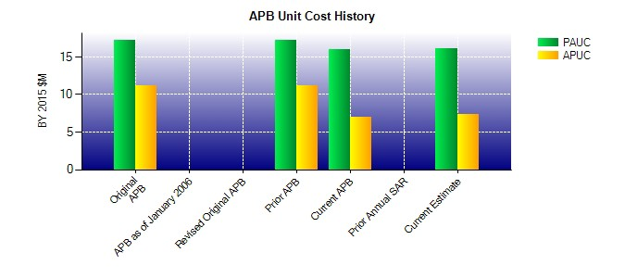
SAR Unit Cost History
Current SAR Baseline to Current Estimate (TY $M)
Initial PAUC Development Estimate | Changes |  |  |  |  |  |  |  |  |  |  |  |  |  | PAUC Current Estimate
 | Econ | Qty |  | Sch |  | Eng | Est |  | Oth | Spt |  | Total
14.226 0.026 -2.760 0.947 0.623 3.025 0.000 -0.336 1.525 15.751

Table 65
Unit Cost History
Item |  |  |  |  | Date |  |  | BY 2015 $M |  |  |  |  |  | TY $M
 |  |  |  |  |  |  |  | PAUC |  | APUC |  |  |  | PAUC |  |  | APUC

Original APB |  |  | Dec 2007 |  |  |  |  | 16.888 |  |  |  | 10.655 |  |  | 16.112 |  |  | 10.717
APB as of January 2006 |  |  | N/A |  |  |  |  | N/A |  |  |  | N/A |  |  | N/A |  |  | N/A
Revised Original APB |  |  | N/A |  |  |  |  | N/A |  |  |  | N/A |  |  | N/A |  |  | N/A
Prior APB |  |  | Dec 2007 |  |  |  |  | 16.888 |  |  |  | 10.655 |  |  | 16.112 |  |  | 10.717
Current APB |  |  | Mar 2016 |  |  |  |  | 17.716 |  |  |  | 6.629 |  |  | 18.453 |  |  | 8.080
Prior Annual SAR |  |  | Dec 2014 |  |  |  |  | N/A |  |  |  | N/A |  |  | N/A |  |  | N/A
Current Estimate |  |  | Dec 2015 |  |  |  |  | 16.627 |  |  |  | 5.915 |  |  | 18.454 |  |  | 8.080
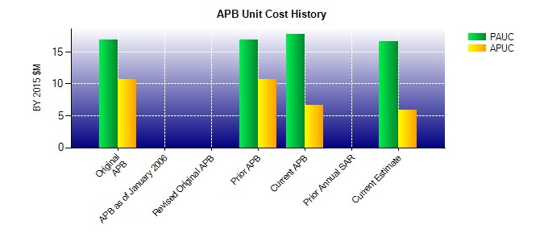
SAR Unit Cost History
Current SAR Baseline to Current Estimate (TY $M)
Initial PAUC Development Estimate | Changes |  |  |  |  |  |  |  |  |  |  |  |  |  |  | PAUC Current Estimate
 | Econ | Qty |  | Sch |  | Eng | Est |  | Oth |  | Spt |  | Total
14.954 0.011 -1.378 1.242 0.676 1.197 0.000 1.752 3.500 18.454

